Sheet1
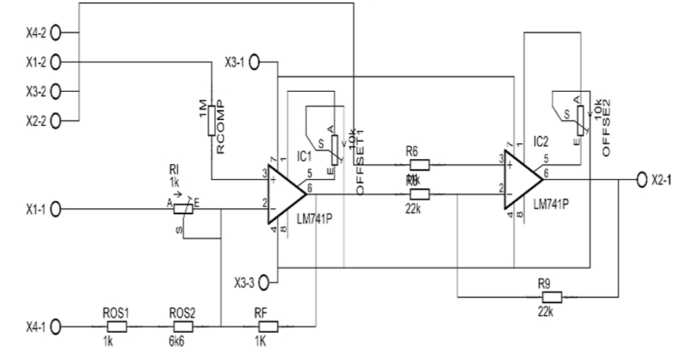
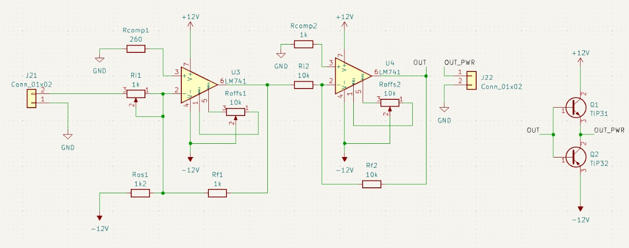
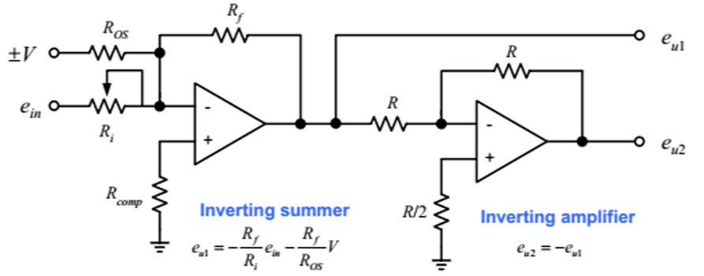

V in min | 0
V in max | 10

V out min | -10
V out max | 10

m | 2 |  | b | -10

Rf | 1000 | ohm | Vreff | -12 | volt
Ri | 500 | ohm | Ros | 1200 | ohm

Rp fi | 333.33333333 | ohm | Rcomp | 260.86956522

